Calculator
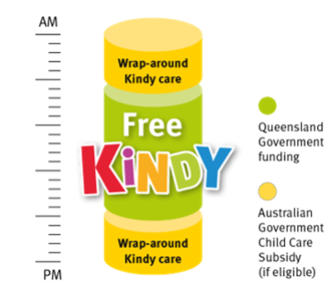
Daily Gap Fee Calculator
Free Kindy funded (after CCS) |  |  | Additional Day (Not Kindy funded)

Centre | Redlynch Early Learning (6hrs) |  | Centre | Redlynch Early Learning (6hrs)

CCS % |  | 76% | CCS % | 76%
CCS Withholding % |  | 5% | CCS Withholding % | 5%
Session Fee |  | 85.00 | Session Fee | 85.00
Session Start |  | 8:30:00 | Session Start | 8:30:00
Session End |  | 14:30:00 | Session End | 14:30:00
Kindy Program Start |  | 9:00:00
Kindy Program End |  | 15:00:00

CCS Entitlement Amount (Less Witholding) |  | 61.37 | CCS Entitlement Amount (Less Witholding) | 61.37
Estimated Gap Fee before Free Kindy |  | 23.63 | Estimated Gap Fee | 23.63

Applicable Kindy Funding Amount (Free Kindy Subsidy) |  | 23.63
Estimated Gap Fee after CSS & Free Kindy |  | 0.00

Week 1 out of pocket (3 days) |  | 0.00
Week 2 out of pocket (2 days) |  | 0.00
5 day fortnight Estimated Gap Fee after CSS & Free Kindy |  | 0.00

