Calculator
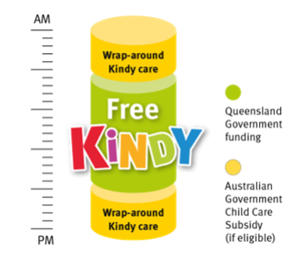
Daily Gap Fee Calculator
Free Kindy funded (after CCS) |  |  | Additional Day (Not Kindy funded)

Centre | Redlynch Early Learning (10hr) |  | Centre | Redlynch Early Learning (10hr)

CCS % |  | 76% | CCS % | 76%
CCS Withholding % |  | 5% | CCS Withholding % | 5%
Session Fee |  | 138.30 | Session Fee | 138.30
Session Start |  | 7:30:00 | Session Start | 7:30:00
Session End |  | 17:30:00 | Session End | 17:30:00
Kindy Program Start |  | 9:00:00
Kindy Program End |  | 15:00:00

CCS Entitlement Amount (Less Witholding) |  | 99.85 | CCS Entitlement Amount (Less Witholding) | 99.85
Estimated Gap Fee before Free Kindy |  | 38.45 | Estimated Gap Fee | 38.45

Applicable Kindy Funding Amount (Free Kindy Subsidy) |  | 23.07
Estimated Gap Fee after CSS & Free Kindy |  | 15.38

Week 1 out of pocket (3 days) |  | 46.14
Week 2 out of pocket (2 days) |  | 30.76
5 day fortnight Estimated Gap Fee after CSS & Free Kindy |  | 76.89

